Sheet1
Homepage
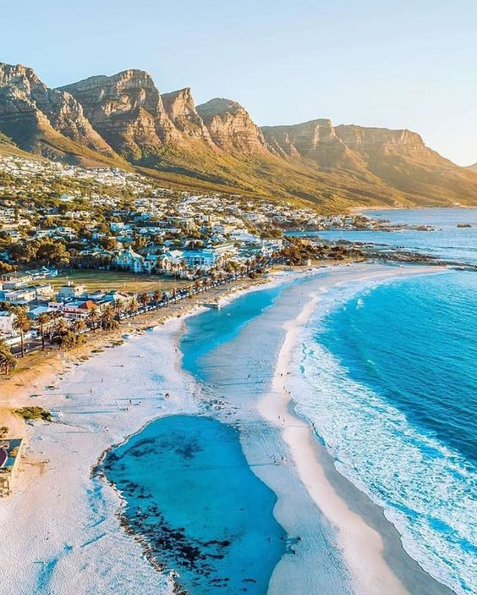
Header:

Logo (SATravelcations) |  | ① | ②
Navigation Menu:
Home | About Us | Packages | Customize Your Trip | Blog | Contact |  |  |  |  |  |  |  |  |  |  |  |  |  | COVER 3
Call-to-Action (CTA) Button: "Get a Quote" or "Book Now"
Social Media Icons: (Facebook, Instagram, WhatsApp)

Hero Section (Full-Width Banner):

High-quality travel image
Headline: "Let's take a tour Cape town!"
Subheadline: "Tailor-made Travel Experiences for You"
CTA Button: "Explore Our Packages" | "Customize Your Trip"
②
Packages:

Grid display of packages (each with an image, price, and CTA button)

Standard package
for | 2 Days
CTA: "View Details"
Premium package |  |  |  |  |  |  |  |  |  |  | 4-star accommodation for 3 nights
Price: 4 Days |  |  |  |  |  |  |  |  |  |  | Delicious breakfast included
CTA: "View Details" |  |  |  |  |  |  |  |  |  |  | Complimentary high-speed WiFi
 |  |  |  |  |  |  |  |  |  |  | Exciting Activities:
Customise package
CTA: "View Details" |  |  |  |  |  |  |  |  |  |  | Sunset Boat Cruise: Enjoy breathtaking views as you sail into the evening.
 |  |  |  |  |  |  |  |  |  |  | Quad Biking at the Sand Dunes: Experience an adrenaline rush through the dunes!
 |  |  |  |  |  |  |  |  |  |  | Strawberry Picking: Relax and indulge in a fun-filled strawberry picking session.
Why Choose SATravelcations Section: |  |  |  |  |  |  |  |  |  |  | Wine Tasting: Savor the best of Cape Town’s famous wine country.
 |  |  |  |  |  |  |  |  |  |  | Sky-Hi Ride: Get ready for the thrill of a lifetime!
 |  |  |  |  |  |  |  |  |  |  | Table Mountain Tour: Take in one of the most iconic views in the world.
Icons/Images with text: |  |  |  |  |  |  |  |  |  |  | Two Oceans Aquarium: Dive into an underwater wonderland!
Customized Packages |  |  |  |  |  |  |  |  |  |  | Personal Chauffeur:
Expert Local Guides |  |  |  |  |  |  |  |  |  |  | Your own personal driver will take you on a scenic journey to some of Cape Town’s most picturesque spots:
Hassle-Free Booking
24/7 Support |  |  |  |  |  |  |  |  |  |  | Chapman's Peak or Clarence Drive
 |  |  |  |  |  | please put button that links to ③ |  |  |  |  | Clifton/Camps Bay Beach
 |  |  |  |  |  |  |  |  |  |  | The colorful and historic Bo-Kaap

 |  |  |  |  |  |  |  |  |  |  | 5-star accommodation for 3 nights
 |  |  |  |  |  |  |  |  |  |  | Delicious breakfast included
Newsletter Signup Section: |  |  |  |  |  |  |  |  |  |  | Complimentary high-speed WiFi
 |  |  |  |  |  |  |  |  |  |  | Exciting Activities:

"Get exclusive deals and travel tips" |  |  |  |  |  |  |  |  |  |  | 1 hour Sunset Boat Cruise: Enjoy breathtaking views as you sail into the evening.
Email input field with CTA: "Subscribe" |  |  |  |  |  |  |  |  |  |  | Paraglading
 |  |  |  |  |  |  |  |  |  |  | Kayaking
Footer: |  |  |  |  |  |  |  |  |  |  | Cape point
 |  |  |  |  |  |  |  |  |  |  | Quad Biking at the Sand Dunes: Experience an adrenaline rush through the dunes!
 |  |  |  |  |  |  |  |  |  |  | Strawberry Picking: Relax and indulge in a fun-filled strawberry picking session.
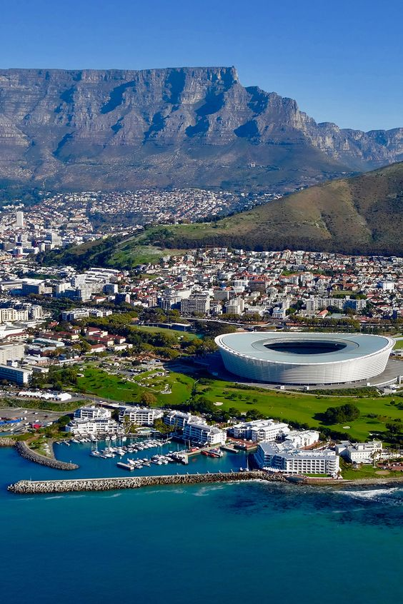
Quick Links: (Repeat the navigation menu) |  |  |  |  |  |  |  |  |  |  | JC Le Roux Wine Tasting: Savor the best of Cape Town’s famous wine country.
Contact Information |  |  |  |  |  |  |  |  |  |  | Sky-Hi Ride: Get ready for the thrill of a lifetime!
Social Media Links |  |  |  |  |  |  |  |  |  |  | Table Mountain Tour: Take in one of the most iconic views in the world.
 |  |  |  | phone number |  | 786855680 | (temporary) |  |  |  | Two Oceans Aquarium: Dive into an underwater wonderland!
 |  |  |  | email adress |  | satravelcations.co.za (to be purchased) |  |  |  |  | Personal Chauffeur:
① |  |  |  | adress | The sanctuary, sormerset west , cape town |  |  |  |  |  | Your own personal driver will take you on a scenic journey to some of Cape Town’s most picturesque spots:
About Us Page |  |  |  |  |  |  |  |  |  |  | Chapman's Peak or Clarence Drive
 |  |  |  |  |  |  |  |  |  |  | Clifton/Camps Bay Beach
Banner Image (with a scenic background) |  |  |  |  |  |  |  |  |  |  | The colorful and historic Bo-Kaap

Introduction Section:

Title: "About SATravelcations"
Text: A brief story about the company, its mission, and vision. Focus on personalized travel experiences.

 |  |  |  |  |  |  |  |  |  |  |  |  | HISTORY
 |  |  |  |  |  |  |  |  |  |  |  |  |  | SATravelcations is a premier travel agency dedicated to providing personalized and memorable travel experiences. Whether you're seeking a luxurious escape, an adventurous expedition, a romantic getaway, or a family-friendly vacation, we specialize in crafting travel itineraries that cater to your unique preferences and interests.
 |  |  |  |  |  |  |  |  |  |  |  |  |  | SATravelcations is founded on the belief that travel is not just a destination but an experience. We aim to provide our clients with customized travel solutions that meet their specific needs and desires.We leverage our extensive network of industry connections to secure exclusive deals and provide unparalleled service.

 |  |  |  |  |  |  |  |  |  |  |  |  | MISSION | Our mission is to transform your travel dreams into reality, ensuring every detail is meticulously planned for a seamless and unforgettable journey.

 |  |  |  |  |  |  |  |  |  |  |  |  | VISION | To become the leading provider of personalized and memorable travel experiences, offering tailor-made packages that exceed customer expectations and inspire a love for exploration across South Africa and beyond

③
Customize Your Trip Page

Intro Text:

"Looking for a personalized experience? Tell us your preferences, and we’ll design a tailor-made itinerary for you!"

Form Section:
name
surname
contact details - email, phone number, passport number/ID number
Questions to gather details like:
Destination Preference | Cpt, Jorburg
Budget Range | 300-400 | 401-500 | 500+
Type of Experience (Adventure, Relaxation, Family, etc.) | The user can select all of the types
Number of Travelers | The user should enter a specific number
Duration of Stay:dates
List of activities | Rugare to do
Departing from | list of countries to select from
Reccomend a budget based on the above selected options(ToDO)
CTA Button: | "Submit Your Request" |  |  |  | After a request has been submitted. Using the the conact details provided we will rech the customer via email with message telling that that we are processing the request.
 |  |  |  |  |  |  |  |  |  |  |  | add images |  |  | add images
④ |  |  |  |  | Processing the request involves curating packages specific to the the budget and the experience requested |  |  |  | A | Travel Packing Tips: What to Pack for Every Trip |  |  |  |  | B | C
Blog Page
 |  |  |  |  |  |  |  |  | intro | Packing for a trip can be exciting but also stressful, especially if you’re worried about forgetting something important. Whether you're heading to a beach vacation, an adventurous hiking trip, or a city getaway, packing smart can make all the difference. We’ve put together the ultimate travel packing guide to help you bring the essentials and avoid overpacking for every kind of trip.
Introduction:
"Explore travel tips, guides, and stories from SATravelcations."
Blog Posts Grid View:
Each post includes:
Thumbnail image
Title
Short snippet
CTA Button: "Read More"
 |  |  |  |  |  |  |  |  | Genaral essentials for every trip
 |  |  |  |  |  |  |  |  | Passport/ID: Double-check the expiration date and keep a digital copy on your phone in case of emergencies.
⑤ |  |  |  |  |  |  |  |  | Travel Documents: Print copies of your flight tickets, hotel reservations, and travel insurance, and store them digitally as well.
Contact Page |  |  |  |  |  |  |  |  | Medications: Pack enough prescription meds for the entire trip, and bring a basic first aid kit for emergencies.
 |  |  |  |  |  |  |  |  | Charger/Adapters: Don’t forget your phone charger, and pack a universal adapter for different plug types.
Contact Form: |  |  |  |  |  |  |  |  | Reusable Water Bottle: Staying hydrated while traveling is key, and having your own water bottle is eco-friendly too.
Name, Email, Subject, Message |  |  |  |  |  |  |  |  | Camera:Ofcourse you would love to flashback to the memory lane
CTA Button: "Send Message"
Contact Information Section: |  |  |  |  |  |  |  |  |  | City Break Packing Tips:
Phone, Email, Address
Business Hours |  |  |  |  |  |  |  |  |  | City breaks are all about exploring, but you don’t want to overpack and lug around heavy bags.
Map Integration: |  |  |  |  |  |  |  | please put button that links to ②
Google Maps showing your office location |  |  |  |  |  |  |  |  |  | Comfortable Shoes: Exploring cities often means a lot of walking. Pack a pair of stylish but comfortable shoes.
 |  |  |  |  |  |  |  |  |  | Compact Umbrella: Cape town can have unpredictable weather, so always have a small umbrella in your bag.
 |  |  |  |  |  |  |  |  |  | Day Bag: Use a light, cross-body bag or backpack to carry your essentials while exploring.
 |  |  |  |  |  |  |  |  |  | Camera/Phone: You’ll want to capture all those iconic landmarks! Make sure to bring a camera or ensure your phone has plenty of storage for photos.
 |  |  |  |  |  |  |  |  |  | Dress for the Weather: Research the local climate and pack accordingly, whether it’s lightweight clothes for warm weather or layers for cooler climates.

 |  |  |  |  |  |  |  |  |  | Pro Tip: Use packing cubes to organize your items and make it easier to find things when you’re on the go.

